MERNA A PAYMENT TC
Test Case ID | Test title | PreConditions | Test Steps | Test Data | Priority | Severity | Expected Result | Actual Result | Status
TC-Checkout-01 | Verify 'Your Delivery Address' section is displayed with correct user details | User logged in Product added to cart User navigated to Checkout page | 1- Open website https://automationexercise.com/checkout 2- Scroll to 'Address Details' section 3- Locate left panel 'YOUR DELIVERY ADDRESS' 4- Verify header text is displayed 5- Verify user name is displayed (Mrs. Merna Atef) 6- Verify all address lines are visible 7- Verify country and postal code | user: Merna Atef email: meme456@gmail.com pass : 1234 Address: no, shopra, shopra City: cairo egypt +20 Country: Canada Zip: 01234 | High | Low | YOUR DELIVERY ADDRESS' section displays all user information correctly as saved in profile. All fields are readable and properly formatted. | Review Your Order' section displayed successfully with 2 products (Blue Top and Men Tshirt). Product names, prices, quantities, and totals were correct. Total Amount displayed correctly as Rs. 900. | pass
TC-Checkout-02 | Verify 'Your Billing Address' section is displayed with correct user details | User logged in Product added to cart User navigated to Checkout page | 1- Open website https://automationexercise.com/checkout 2- Locate right panel 'YOUR BILLING ADDRESS' 3- Verify header text is displayed 4- Verify user name matches delivery address 5- Verify all address lines are visible 6- Verify country and postal code match | user: Merna Atef email: meme456@gmail.com pass : 1234 Address: no, shopra, shopra City: cairo egypt +20 Country: Canada Zip: 01234 | High | Low | YOUR BILLING ADDRESS' section displays all information correctly. Billing address matches delivery address by default. | Your Billing Address' section displayed successfully with correct user details. Name, address lines, country , and postal code were visible and matched saved profile information. | Pass
TC-Checkout-03 | Verify Delivery and Billing addresses are identical for same user | User logged in Single address saved in profile User on Checkout page | 1- Navigate to Checkout page 2- Compare 'YOUR DELIVERY ADDRESS' panel with 'YOUR BILLING ADDRESS' panel 3- Verify name is same in both 4- Verify address line 1 is same 5- Verify address line 2 is same 6- Verify city/country is same 7- Verify postal code is same | -- | med | Low | Both address panels display identical information when user has single address saved in profile. | Both 'YOUR DELIVERY ADDRESS' and 'YOUR BILLING ADDRESS' panels display identical information including name, address lines, city/country, and postal code,confirming that the system correctly uses the same saved profile address for both fields | Pass
TC-Checkout-04 | Verify 'Review Your Order' section header is displayed correctly | User on Checkout page Cart has items | 1- Scroll to 'Review Your Order' section 2- Verify section header is visible 3- Verify header text reads 'Review Your Order' 4- Verify header background color is light gray 5- Verify text is properly aligned | -- | Low | Low | Section header is displayed with correct text and styling. | Clicking 'Place Order' button successfully redirects to the Payment page. URL changes to include '/payment', and the payment form is displayed with all required fields: Name on Card, Card Number, CVC, and Expiry Date | Pass
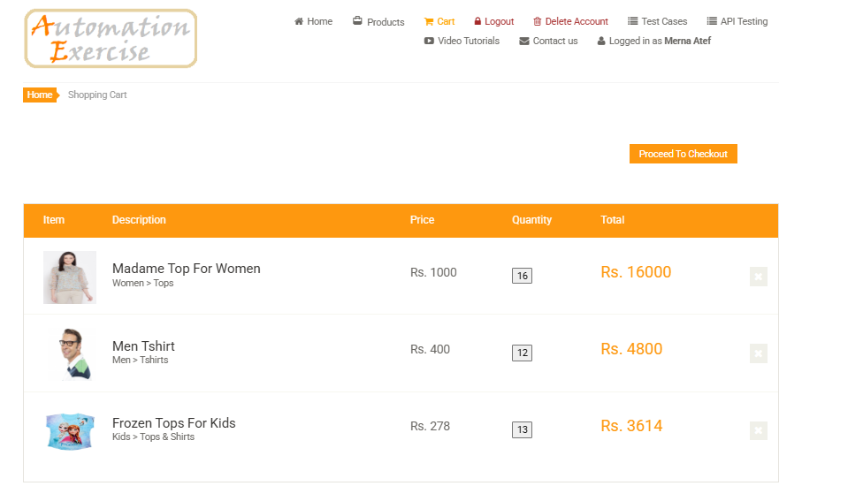
TC-Checkout-05 | Verify order summary table headers are displayed correctly | User on Checkout page Items in cart | 1- Locate the orange table in 'Review Your Order' section 2- Verify table header row exists 3- Verify column 'Item' is present 4- Verify column 'Description' is present 5- Verify column 'Price' is present 6- Verify column 'Quantity' is present 7- Verify column 'Total' is present 8- Verify all headers have orange background | Columns: Item, Description, Price, Quantity, Total | High | low | All five table headers are displayed correctly with orange background color. | All five table headers (Item, Description, Price, Quantity, Total) are displayed correctly with orange background color. | Pass
TC-Checkout-06 | Verify product image is displayed in Item column | User on Checkout page Product: Blue Top in cart | 1- In 'Review Your Order' table 2- Locate first row under 'Item' column 3- Verify product thumbnail image is displayed 4- Verify image shows 'Blue Top' product 5- Verify image is properly loaded (not broken) 6- Verify image size is appropriate | Product Image: Blue Top thumbnail | high | med | Product thumbnail image is displayed correctly in the Item column. Image loads properly without errors. | Product thumbnail image is displayed correctly in the Item column. Image loads properly without errors and shows the correct product. | Pass
TC-Checkout-07 | Verify product name and category in Description column | User on Checkout page Product: Blue Top in cart | 1- In 'Review Your Order' table 2- Locate 'Description' column 3- Verify product name 'Blue Top' is displayed 4- Verify category 'Women > Tops' is displayed below name 5- Verify text is properly formatted 6- Verify category uses '>' separator | Product: Blue Top Category: Women > Tops | high | high | Product name and category are displayed correctly in Description column with proper formatting. | "Product name 'Madame Top For Women' and category 'Women > Tops' are displayed correctly in the Description column with proper formatting." | Pass
TC-Checkout-08 | Verify product price is displayed correctly in Price column | User on Checkout page Product price: Rs. 500 | 1- In 'Review Your Order' table 2- Locate 'Price' column 3- Verify price shows 'Rs. 500' 4- Verify currency symbol 'Rs.' is present 5- Verify amount is '500' 6- Verify price is aligned correctly | Price: Rs. 500 | critical | high | Product unit price is displayed correctly as 'Rs. 500' with proper currency format. | Product unit price is displayed correctly as 'Rs. 1000' with the currency symbol 'Rs.' present and properly aligned in the Price column | Pass
TC-Checkout-09 | Verify quantity input field is displayed and editable | User on Checkout page Quantity: 1 | 1- In 'Review Your Order' table 2- Locate 'Quantity' column 3- Verify input field is present 4- Verify current value shows '1' 5- Click on input field 6- Try to edit the value 7- Verify field accepts numeric input | Quantity: 1 | med | med | Quantity input field is displayed with current value. Field is editable and accepts numeric input. | "Quantity input field is displayed with current value '16', but it is NOT editable. The field does not accept typing, deletion, or modification." | FAIL
TC-Checkout-10 | Verify item total is calculated correctly (Price × Quantity) | User on Checkout page Price: Rs. 500 Quantity: 1 | 1- In 'Review Your Order' table 2- Locate 'Total' column for the product row 3- Verify total shows 'Rs. 500' 4- Calculate manually: 500 × 1 = 500 5- Verify displayed total matches calculation 6- Verify currency format is correct | Price: 500 Qty: 1 Expected Total: 500 | critical | critical | Item total is calculated correctly as Rs. 500 (500 × 1). Calculation is accurate. | Item total is calculated correctly as Rs. 16000 (1000 × 16). Calculation matches the displayed value in the Total column. | Pass
TC-Checkout-11 | Verify Total Amount row is displayed at bottom of table | User on Checkout page Items in cart | 1- Scroll to bottom of 'Review Your Order' table 2- Verify 'Total Amount' label is displayed 3- Verify it spans across Description and Price columns 4- Verify total amount value is displayed in Total column 5- Verify amount is 'Rs. 500' 6- Verify text is in orange color | Total Amount: Rs. 500 | critical | critical | Total Amount' row is displayed with correct label and value. Amount matches sum of all items. | Total Amount row is displayed at the bottom of the table with the correct label. The amount value matches the sum of all items and is displayed clearly | Pass
TC-Checkout-12 | Verify comment text area is displayed and accessible | User on Checkout page | 1- Locate the large text box below comment instruction 2- Verify text area is visible 3- Verify text area has sufficient size (multiple lines) 4- Verify text area has white background 5- Verify text area has border 6- Click inside text area 7- Verify cursor appears | Text Area: Multi-line input box | med | low | Comment text area is displayed, accessible, and ready for user input. Cursor appears when clicked. | "Comment text area is displayed correctly with a white background and border. It is a multi-line input box that allows typing extensive text. Cursor appears upon clicking, making it accessible." | Pass
TC-PERF-14 | Verify quantity input field accepts increment/decrement operations on Payment page | User on Payment page, product in cart with quantity > 1 | 1. Locate quantity field for a product<br> 2. Click increment button (+)<br> 3. Verify quantity increases<br> 4. Click decrement button (-)<br> 5. Verify quantity decreases<br> 6. Verify total amount updates | Product: Blue Top, Initial Qty: 4 | High | High | Quantity field allows modification; total amount recalculates automatically | Quantity field non-functional; buttons don't respond; quantity remains fixed; unable to modify order | FAIL
TC-PERF-15 | Verify "Name on Card" field rejects special characters | User on Payment page | 1. Enter `$$%&%&^%^^` in Name on Card field<br> 2. Fill other fields with valid data<br> 3. Click Pay button | Name: `$$%&%&^%^^` | High | High | System displays validation error; payment is blocked | System accepted special characters ($$%&%&^%^^); order placed successfully; no validation error shown | FAIL
TC-PERF-16 | Verify "Card Number" field rejects alphabetic characters | User on Payment page | 1. Enter `kkkkk` in Card Number field<br> 2. Fill other fields with valid data<br> 3. Click Pay button | Card Number: `kkkkk` | High | High | System displays error "Card Number must contain digits only"; payment is blocked | System accepted alphabetic characters (kkkkk); order placed successfully; no validation error displayed | FAIL
TC-PERF-17 | Verify "CVC" field rejects non-numeric characters (Arabic text) | User on Payment page | 1. Enter Arabic text `ططط` in CVC field<br> 2. Fill other fields with valid data<br> 3. Click Pay button | CVC: `ططط` | High | High | System displays validation error; payment is blocked | CVC field accepted Arabic characters (ططط); payment processed successfully; no validation error displayed | FAIL
TC-PERF-18 | Verify "CVC" field rejects special characters | User on Payment page | 1. Enter `$$$$4$$` in CVC field<br> 2. Fill other fields with valid data<br> 3. Click Pay button | CVC: `$$$$4$$` | High | High | System displays error "CVC must contain numbers only"; payment is blocked | System accepted special characters ($$$$4$$); order placed successfully; no validation error occurred | FAIL
TC-PERF-19 | Verify "Expiration Month" field rejects values > 12 | User on Payment page | 1. Enter `15` in Expiration Month field<br> 2. Enter valid Year<br> 3. Click Pay button | Month: `15`, Year: `2026` | High | High | System displays error "Invalid month. Please enter a value between 01 and 12" | System accepted invalid month value 15; order placed successfully; no validation error displayed | FAIL
TC-PERF-20 | Verify "Expiration Month" field rejects Arabic characters | User on Payment page | 1. Enter Arabic text `ميرنا` in Expiration Month field<br> 2. Enter valid Year<br> 3. Click Pay button | Month: `ميرنا`, Year: `2026` | High | High | System rejects non-numeric input; validation error appears | System accepted Arabic characters (ميرنا) in Expiration Month field; order placed successfully; no validation error | FAIL
TC-PERF-21 | Verify "Expiration Year" field rejects past years | User on Payment page | 1. Enter Year `2001` in Expiration field<br> 2. Enter valid Month<br> 3. Click Pay button | Month: `11`, Year: `2001` | High | High | System displays error "Card Expired" or "Invalid Expiration Date" | System accepted past year 2001; order placed successfully; no error regarding expired card was displayed | FAIL
TC-PERF-22 | Verify Subscription email field rejects invalid email format | User on Payment page | 1. Scroll to Subscription section<br> 2. Enter `MM@KK.CKK` in email field<br> 3. Click subscribe button | Email: `MM@KK.CKK` | Med | Med | System displays error "Please enter a valid email address"; subscription is not processed | System accepted invalid email format MM@KK.CKK; success message displayed; no validation error occurred | FAIL
TC-Responsive-023 | Verify product image and description are properly separated on mobile checkout view | User on Checkout page with items in cart; Mobile view active (< 768px) | 1. Open Checkout page on mobile viewport 2. Locate "Review Your Order" section 3. Check each product row 4. Verify image (Item column) is fully visible and not covered by text 5. Verify description text stays within its designated column area 6. Verify no overlapping or text spillover occurs | Mobile screen, products with images & multi-line descriptions | Med | Med | Product image and description are clearly separated. Text does not overlap or spill into the image area. Layout remains clean and readable on mobile | "On mobile view (<768px), the product description text ('Madame Top For Women' and 'Women > Tops') overflows and overlaps into the 'Item' column, covering the product thumbnail. The table layout breaks and text readability is compromised." | FAIL
TC-Checkout-13 | Verify clicking 'Place Order' redirects to Payment page | User on Checkout page Ready to place order | 1- Click 'Place Order' button 2- Observe page behavior 3- Verify page navigation occurs 4- Verify new page loads 5- Verify URL changes to payment page 6- Verify payment form is displayed 7- Verify fields: Name on Card, Card Number, CVC, Expiry Date | Expected Page: Payment Entry Form | Critical | Critical | Clicking 'Place Order' successfully redirects to Payment page where credit card details can be entered.

MERNA A PAYMENT BR
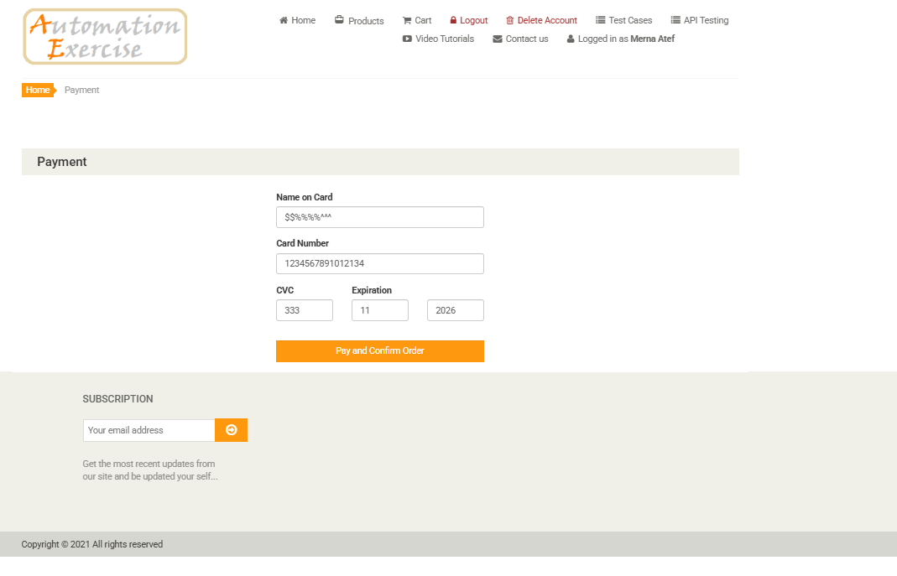
Bug ID | Bug Title | Steps To Reproduce | test Data | Expected Result | Actual Result | Severity | Priority | Environment | Reporter | Assigned To | Attachments | Status
BUG_Payment_001 | Quantity Input Does Not Accept Increment/Decrement Operations | 1-Navigate to https://automationexercise.com 2-Login with valid credentials 3-Add products to the shopping cart 4-Proceed to checkout by clicking "Proceed To Checkout" button 5-Navigate to the Payment Page 6-Locate the product quantity field on the payment page 7-Attempt to increase quantity using the increment button (+) 8-Attempt to decrease quantity using the decrement button (-) | Product: Blue Top Current Quantity: 22 Attempted changes: Increase to 5, Decrease to 3 | Quantity field should allow users to modify the quantity using increment/decrement buttons Total amount should update automatically when quantity changesChanges should reflect in the payment total | Quantity input field is non-functional Increment/decrement buttons do not respond to clicks Quantity remains fixed at 22 Unable to modify order quantity before payment | MED | MED | URL: https://automationexercise.com/payment (Payment Page) Browser: Chrome Page: Payment/Checkout Page | MERNA ATEF | Back_End_Team / Front_End_Team | WEEK1 | NEW
BUG_Payment_002 | Name on Card Accepts Special Characters and Allows Order Completion | 1-Navigate to the Payment page 2-In the "Name on Card" field, enter special characters: $$%&%&^%^^ 3-Enter valid Card Number: 1234567891012134 4-Enter valid CVC: 333 5-Enter valid Expiration Date: 11 / 2026 6-Click "Pay and Confirm Order" button | Name: $$%&%&^%^^ Card Number: 1234567891012134 CVC: 333 Expiration: 11 / 2026 | System should display a validation error message for "Name on Card" field indicating that only alphabetic characters are allowed Payment submission should be blocked until a valid name is entered | 1-System accepted the special characters in the Name field 2-Order was placed successfully with the message "Your order has been placed successfully!" 3-No validation error was shown 4-Browser "Save Card?" prompt appeared | High | High | URL: https://automationexercise.com/payment Browser: Chrome | MERNA ATEF | Back_End_Team / Front_End_Team | https://drive.google.com/drive/folders/1IkEUaJ9FRzzJsobBUVP425GgVbWUVI2w?usp=sharing | new
BUG_Payment_003 | Payment Card Number Accepts Alphabetic Characters and Processes Payment | 1-Navigate to the Payment page 2-Enter any valid data in the :Name on Card (1kkk56ooo) 3-In the "Card Number" field, enter alphabetic characters: kkkkk 4-Enter valid CVC: 333 5-Enter valid Expiration: 11 / 2026 6-Click the "Pay and Confirm Order" button | Name on Card (1kkk56ooo) Card Number: kkkkk CVC: 333 Expiration: 11/2026 | The system should not allow typing letters in the Card Number (numeric input only) OR it should show a validation error: "Card Number must contain digits only" Payment should not be processed with invalid card data | The system accepted alphabetic characters in the "Card Number" field The order was placed successfully with the message "Your order has been placed successfully!" No validation error was displayed | high | high | URL: https://automationexercise.com/payment Browser: Chrome | MERNA ATEF | Back_End_Team / Front_End_Team |  | new
BUG_Payment_004 | Payment "CVC" Accepts Non-Numeric Characters (Arabic Text) and Processes Order | 1-Navigate to the Payment page 2-Enter valid data in Name, Card Number, and invalid data In the "CVC" , enter non-numeric characters ( Arabic text "ططط") 3-Click the "Pay and Confirm Order" button | CVC: ططط Card Number: 121222222 | The system should allow the CVC input to numeric digits only System should display an error message if non-numeric characters are entered Payment should not be processed with invalid CVC data | The CVC field accepted Arabic characters The system processed the payment and displayed "Your order has been placed successfully!" No validation error display | high | high | URL: https://automationexercise.com/payment Browser: Chrome | MERNA ATEF | Back_End_Team / Front_End_Team |  | new
BUG_Payment_005 | Payment "CVC" Field Accepts Special Characters and Processes Payment | 1-Navigate to the Payment page 2-Enter data in "Name on Card" and "Card Number" fields 3-In the "CVC" field enter special characters and numbers: $$$$4$$ 4-Enter valid Expiration Date: 11 / 2026 5-Click "Pay and Confirm Order" button | CVC: $$$$4$$ | The system should allow the CVC input to numeric digits only (0-9) System should display an error message: "CVC must contain numbers only" Payment should not be processed | The system accepted special characters in the CVC field The order was placed successfully with the message "Your order has been placed successfully!" No validation error occurred | high | high | URL: https://automationexercise.com/payment Browser: Chrome | MERNA ATEF | Back_End_Team / Front_End_Team |  | new
BUG_Payment_006 | Payment "Expiration Month" Field Accepts Invalid Month Value (Greater than 12) | 1-Navigate to the Payment page 2-Fill in valid data for "Name on Card", "Card Number"and "CVC" In the "Expiration" field enter Month: 15 and Year: 2026 3-Click "Pay and Confirm Order" button | Expiration Month: 15 Expiration Year: 2026 | The system should validate that the month is between (1 and 12) System should display an error message: "Invalid month. Please enter a value between(1 and 12) Payment should not be processed with invalid expiration date | The system accepted month value "15" (which is invalid) The order was placed successfully with the message "Your order has been placed successfully!" No validation error was displayed | high | high | URL: https://automationexercise.com/payment Browser: Chrome | MERNA ATEF | Back_End_Team / Front_End_Team |  | new
BUG_Payment_007 | Payment "Expiration Month" Field Accepts Arabic Characters and Processes Order | 1-Navigate to the Payment page 2-Fill in valid data for "Name on Card" "Card Number" and "CVC" 3-"Expiration Month" field, enter Arabic characters: ميرنا Enter valid Year: 2026 Click "Pay and Confirm Order" button | Expiration Month: ميرنا Expiration Year: 2026 | The system should reject Arabic characters/letters and restrict the Expiration Month input to numeric digits only (01-12). A clear validation error message should appear preventing form submission. The order should not be processed until a valid month is entered | The system accepted Arabic characters in the Expiration Month field The order was placed successfully with the message "Your order has been placed successfully!" No validation error was displayed | high | high | URL: https://automationexercise.com/payment Browser: Chrome | MERNA ATEF | Back_End_Team / Front_End_Team |  | new
BUG_Payment_008 | Payment "Expiration Year" Accepts Past Year (Expired Card Date) and Processes Order | 1-Navigate to the Payment page 2-Fill in valid data for "Name on Card", "Card Number", and "CVC" 3-In the "Expiration" field, enter Month: 11 and Year: 2001 (Past Year) 4-Click "Pay and Confirm Order" button | Expiration Month: 11 Expiration Year: 2001 | The system should validate that the expiration year is the current year (2026) or a future year System should display an error message: "Card Expired" or "Invalid Expiration Date" Payment should not be processed | The system accepted the past year (2001) The order was placed successfully with the message "Your order has been placed successfully!" No validation error regarding expired card was displayed | high | high | URL: https://automationexercise.com/payment Browser: Chrome | MERNA ATEF | Back_End_Team / Front_End_Team |  | new
BUG_Subscription_Payment_009 | Subscription Section on Payment Page Accepts Invalid Email Format and Displays Success Message | 1-Navigate to the Payment page 2-Scroll down to the "SUBSCRIPTION" section at the bottom of the page 3-Enter invalid email format in the input field: MM@KK.CKK 4-Click the subscribe button (orange arrow icon) | Email: MM@KK.CKK | The system should validate the email format and reject invalid entries An error message should appear: "Please enter a valid email address" Subscription should not be processed | The system accepted the invalid email format MM@KK.CKK Success message "You have been successfully subscribed!" was displayed No validation error occurred | Med | MED |  | MERNA ATEF | Back_End_Team / Front_End_Team |  | new
BUG_Network_010 | Payment Page - Mixed Content Blocking Google Fonts CSS Files (HTTP on HTTPS Page) | 1-Navigate to https://automationexercise.com/payment 2-Open Browser Developer Tools (F12) 3-Go to Network tab 4-Refresh the page | - | All CSS and JS files should load successfully with status 200 No mixed content errors should appear All resources should use HTTPS protocol | Multiple Google Fonts CSS files are blocked with "(blocked:mixed-content)" status Files affected: css?family=Roboto:400,300,400italic,500,700,100 css?family=Open+Sans:400,800,300,600,700 css?family=Abel adsbygoogle.js returns 403 Forbidden error Some images return 204 No Content | Med | Med | URL: https://automationexercise.com/payment Browser: Chrome (DevTools Network Tab) Reporter: Merna Atef | MERNA ATEF | Back_End_Team / Front_End_Team |  | new
BUG_UI_011 | Shopping Cart Page Layout is Non-Responsive and Breaks on Mobile Screen Sizes | 1-Navigate to the Shopping Cart page (https://automationexercise.com/view_cart) 2-Resize the browser window to a mobile width (< 768px) or use Chrome DevTools > Toggle Device Toolbar 3-Select a mobile device preset (e.g., iPhone SE / Galaxy S20) 4-Observe the table layout, buttons, and subscription section | Screen width:<768px (Mobile Portrait Mode) | *The cart table should adapt to mobile view (stack vertically or allow horizontal scroll) *"Proceed To Checkout" button should be full-width and easily tappable *Subscription form should fit within the screen without breaking layout *No horizontal scrolling should be required | Table columns overlap or get cut off on small screens Layout breaks and requires horizontal scrolling to view full content Buttons and input fields are misaligned or too small for touch interaction Subscription section overlaps with footer content | Med | high | URL: https://automationexercise.com/view_cart Viewport: Mobile (< 768px) Browser: Chrome | MERNA ATEF | Back_End_Team / Front_End_Team |  | new
BUG_CART_012 | Shopping Cart Does Not Display Complete Product Details (Missing Brand, Condition, Availability, Rating) | 1-Navigate to any product page (e.g., Men Tshirt - Product ID: 7) 2-Observe the complete product details displayed: Product Name Category Star Rating (★★★★★) Price Availability: In Stock Condition: New Brand: H&M 3-Click "Add to cart" button 4-Navigate to Shopping Cart page (/view_cart) | Product: Men Tshirt Price: Rs. 400 Brand: H&M Condition: New | Shopping cart should display complete product information including: Product name and image Full category path Brand name Condition Availability status Price and quantity Total amount | * Shopping cart displays only: Product image Product name Basic category (Men > Tshirts) Price and quantity * Missing information: Brand (H&M) Condition (New) Availability status Star rating | low | low |  | MERNA ATEF | Back_End_Team / Front_End_Team |  | new
BUG_UI_Responsive_013 | Checkout Order Table Layout Breaks on Mobile: Description Text Overlaps into Item Column | 1. Navigate to Checkout page 2. Add items to cart and proceed 3. Switch to mobile view (Screen width < 768px) 4. Scroll to "Review Your Order" section | Viewport: Mobile Portrait (< 768px) Products: Items with images and text descriptions | Product image and description text should be properly separated and aligned. Table should adapt responsively without text overlapping the image area. | On mobile view, the product description text ("Madame Top For Women", "Women > Tops") overflows and overlaps into the "Item" column/image area. Layout is broken and text readability is compromised. | Med | Med |  | MERNA ATEF | Back_End_Team / Front_End_Team
 |  |  |  |  |  |  |  |  | MERNA ATEF | Back_End_Team / Front_End_Team

